Sheet4
Row Labels | Count of Order id | Sum of Amount | Sum of Qty | Sum of Profit 10% | Row Labels | Sum of Amount | Row Labels | Sum of Amount
Jan | 86 | ₹ 880,260 | 399 | ₹ 88,026 | Qtr1 | 2414032 | Art | 1974370 | Art | ₹ 1,974,370 | Row Labels | Sum of Qty
Feb | 81 | ₹ 696,422 | 307.8 | ₹ 69,642 | Qtr2 | 2368180 | Computer | 1677384 | Computer | ₹ 1,677,384 | Art | 857.4 | Art | 857.4
Mar | 92 | ₹ 837,350 | 370 | ₹ 83,735 | Qtr3 | 3095380 | Electronics | 1999150 | Electronics | ₹ 1,999,150 | Computer | 821.6 | Computer | 821.6
Apr | 86 | ₹ 837,920 | 339 | ₹ 83,792 | Qtr4 | 1965450 | Mobiles | 2175180 | Mobiles | ₹ 2,175,180 | Electronics | 870 | Electronics | 870
May | 89 | ₹ 653,680 | 307 | ₹ 65,368 | Grand Total | 9843042 | Storage | 2016958 | Storage | ₹ 2,016,958 | Mobiles | 842.2 | Mobiles | 842.2
Jun | 90 | ₹ 876,580 | 383 | ₹ 87,658 |  |  | Grand Total | 9843042 | Grand Total | ₹ 9,843,042 | Storage | 888.6 | Storage | 888.6
Jul | 88 | ₹ 1,181,320 | 514 | ₹ 118,132 |  |  |  |  |  |  | Grand Total | 4279.8
Aug | 81 | ₹ 917,730 | 386 | ₹ 91,773
Sep | 82 | ₹ 996,330 | 443 | ₹ 99,633
Oct | 86 | ₹ 668,480 | 313 | ₹ 66,848
Nov | 56 | ₹ 560,120 | 255 | ₹ 56,012
Dec | 64 | ₹ 736,850 | 263 | ₹ 73,685
Grand Total | 981 | ₹ 9,843,042 | 4279.8 | ₹ 984,304

 | 981 | ₹ 9,843,042 | 4279.8 | ₹ 984,304

DASHBOARD
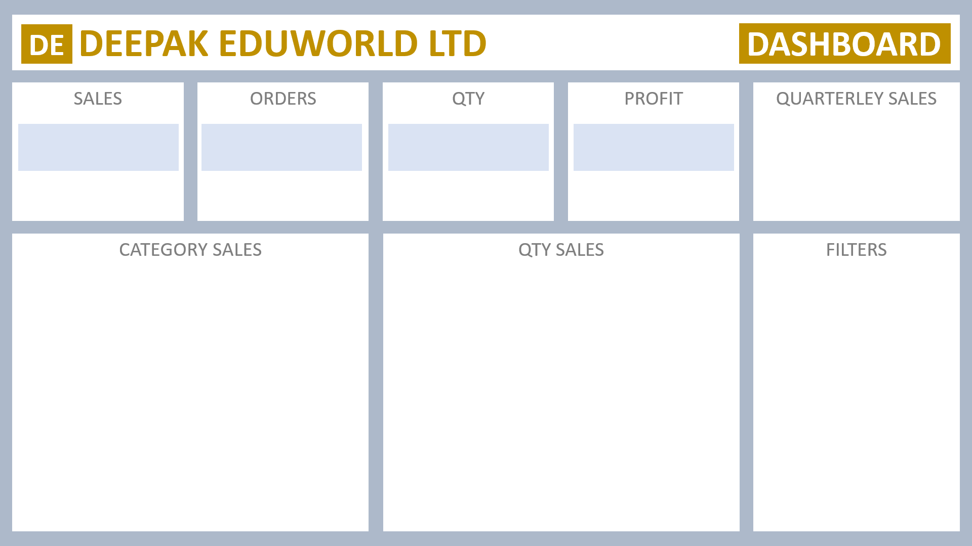

₹ 98,43,042
981
4279.8
₹ 9,84,304
 | Total
Qtr1 | 2414032
Qtr2 | 2368180
Qtr3 | 3095380
Qtr4 | 1965450

Art | ₹ 1,974,370
Computer | ₹ 1,677,384
Electronics | ₹ 1,999,150
Mobiles | ₹ 2,175,180
Storage | ₹ 2,016,958
Grand Total | ₹ 9,843,042
Art | 857.4
Computer | 821.6
Electronics | 870
Mobiles | 842.2
Storage | 888.6

